Sheet1
GR | GP
O | 10 | 3rd Sem
A+ | 9 |  | Subject | Credits | Grades | Grade Points | Score (CR*GP) | GP | Score
A | 8 |  | Linear Algebra, Laplace Transforms and Optimization | 3 | A | 8 | 24 | 10 | 30
B+ | 7 |  | Date Base Management Systems (Integrated) | 3 | C | 5 | 15 | 10 | 30
B | 6 |  | Data Structures | 3 | B+ | 7 | 21 | 10 | 30
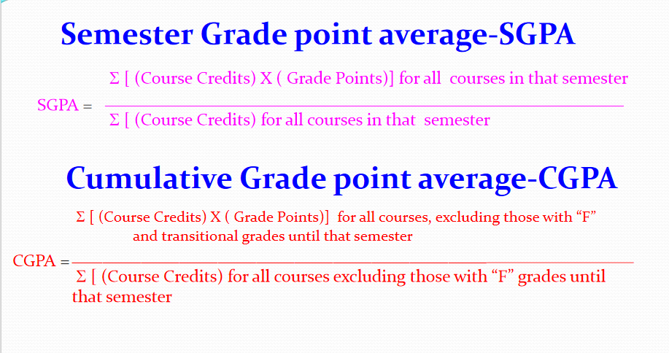
C | 5 |  | Computer Organization and Architecture | 3 | B+ | 7 | 21 | 10 | 30
P | 4 |  | Discrete Mathematical Structures | 3 | B+ | 7 | 21 | 10 | 30
F | 0 |  | Data Structures Laboratory | 1 | B | 6 | 6 | 10 | 10
 |  |  | Object Oriented Programming Laboratory | 1 | A | 8 | 8 | 10 | 10
 |  |  | Kannada Kali | 1 | A+ | 9 | 9 | 10 | 10
 |  |  | Soft Skis Training fr Employability | 1 | A | 8 | 8 | 10 | 10
 |  |  | Universal Human Valve | 2 | A | 8 | 16 | 10 | 20
 |  |  |  | 21 |  | 73 | 149 | 100 | 210

 |  | 4th Sem
 |  |  | Subject | Credits | Grades | Grade Points | Score (CR*GP) | GP | Score
 |  |  | Numerical Techniques and Probability Models | 3 | B+ | 7 | 21 | 10 | 30
 |  |  | Data Communication and Networking | 3 | C | 5 | 15 | 10 | 30
 |  |  | Design and Analysis of Algorithms | 3 | C | 5 | 15 | 10 | 30
 |  |  | Introduction to Artificial intelligence | 3 | A | 8 | 24 | 10 | 30
 |  |  | Operating System | 3 | P | 4 | 12 | 10 | 30
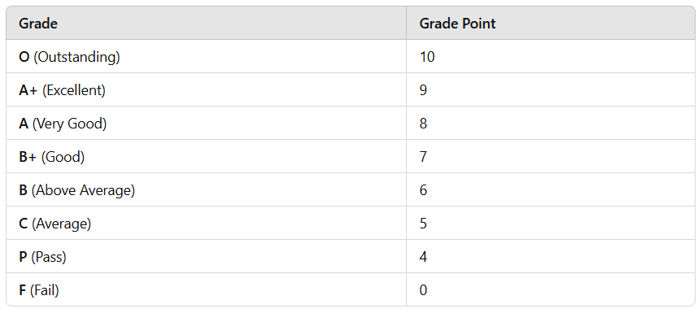
 |  |  | Embedded Systems Laboratory | 1 | A+ | 9 | 9 | 10 | 10
 |  |  | Algorithms Laboratory | 1 | B+ | 7 | 7 | 10 | 10
 |  |  | Web Technologies Laboratory | 1 | B+ | 7 | 7 | 10 | 10
 |  |  | Constitution of india & Professtonal Ethics | 1 | B+ | 7 | 7 | 10 | 10
 |  |  | Inter/Intra Institutional Internship | 2 | A+ | 9 | 18 | 10 | 20
 |  |  | Human Resource Management | 1 | B+ | 7 | 7 | 10 | 10
 |  |  |  | 22 |  | 75 | 142 | 110 | 220

 |  | 5th Sem
 |  |  | Subject | Credits | Grades | Grade Points | Score (CR*GP) | GP | Score
 |  |  | Research Methodology and Intellectual Property Rights | 3 | A | 8 | 24 | 10 | 30
 |  |  | Big Data Analytics | 3 | P | 4 | 12 | 10 | 30
 |  |  | Introduction to Machine Learning | 3 | B | 6 | 18 | 10 | 30
 |  |  | Automata Theory and Compiler Design | 3 | B | 6 | 18 | 10 | 30
 |  |  | Software Engineering | 3 | P | 4 | 12 | 10 | 30
 |  |  | Advanced Computer Networks | 3 | B+ | 7 | 21 | 10 | 30
 |  |  | Application Development Using Java Laboratory | 1 | B+ | 7 | 7 | 10 | 10
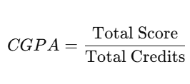
 |  |  | Data Analytics Laboratory (R Programming) | 1 | A+ | 9 | 9 | 10 | 10
 |  |  | Engineering Aptitude | 1 | B+ | 7 | 7 | 10 | 10
 |  |  |  | 21 |  | 58 | 128 | 90 | 210

 |  | 6th Sem
 |  |  | Subject | Credits | Grades | Grade Points | Score (CR*GP) | GP | Score
 |  |  | MANAGEMENT & ENTREPRENEURSHIP | 3 | B | 6 | 18 | 10 | 30
 |  |  | INTRODUCTION TO DEEP LEARNING | 3 | B+ | 7 | 21 | 10 | 30
 |  |  | PRINCIPLES OF CRYPTOGRAPHY | 3 | C | 5 | 15 | 10 | 30
 |  |  | CLOUD COMPUTING | 3 | A | 8 | 24 | 10 | 30
 |  |  | DEEP LEARNING LABORATORY | 1 | B+ | 7 | 7 | 10 | 10
 |  |  | BIG DATA ANALYTICS LABORATORY | 1 | B | 6 | 6 | 10 | 10
 |  |  | MINI PROJECT | 3 | B | 6 | 18 | 10 | 30
 |  |  | INTELLIGENT TRANSPORTATION SYSTEMS | 0 | F | 9 | 0 | 10 | 0
 |  |  | INNOVATION/SOCIETALIENTREPRENEURSHIP | 2 | A | 8 | 16 | 10 | 20
 |  |  | BASED INTERNSHIP
 |  |  |  | 19 |  | 62 | 125 | 90 | 190

 |  | 7th Sem
 |  |  | Subject | Credits | Grades | Grade Points | Score (CR*GP) | GP | Score
 |  |  | Multi-Core Programming and Architecture |  |  | 7 | 0 | 10 | 0
 |  |  | Foundations of Computer Vision |  |  | 7 | 0 | 10 | 0
 |  |  | Information Retrieval |  |  | 6 | 0 | 10 | 0
 |  |  | IOT Applications (OE) |  |  | 8 | 0 | 10 | 0
 |  |  | Skill Laboratory |  |  | 10 | 0 | 10 | 0
 |  |  | Containerization Laboratory |  |  | 10 | 0 | 10 | 0
 |  |  |  | 0 |  | 48 | 0 | 60 | 0

 |  | 8th Sem
 |  |  | Subject | Credits | Grades | Grade Points | Score (CR*GP) | GP | Score
 |  |  | Major Project |  |  | 10 | 0 | 10 | 0
 |  |  | Inter/Intra Institutional Internship |  |  | 10 | 0 | 10 | 0
 |  |  |  | 0 |  | 20 | 0 | 20 | 0

 |  |  | TOTAL EARNED= | 83 |  | 336 | 544

 |  |  | TOTAL= | 83 |  | 470 | 830

